Sheet1
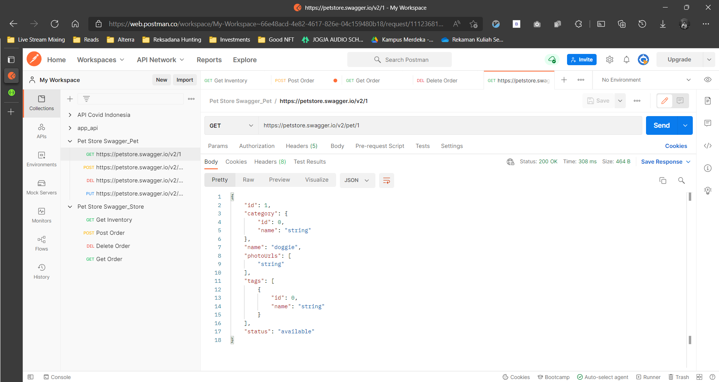
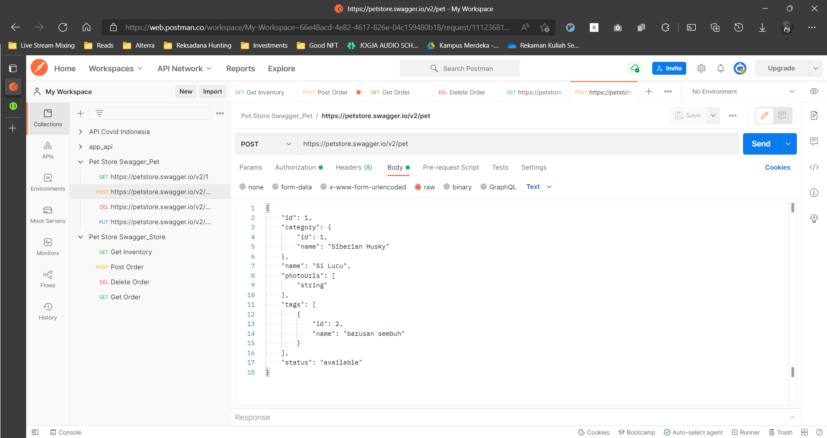
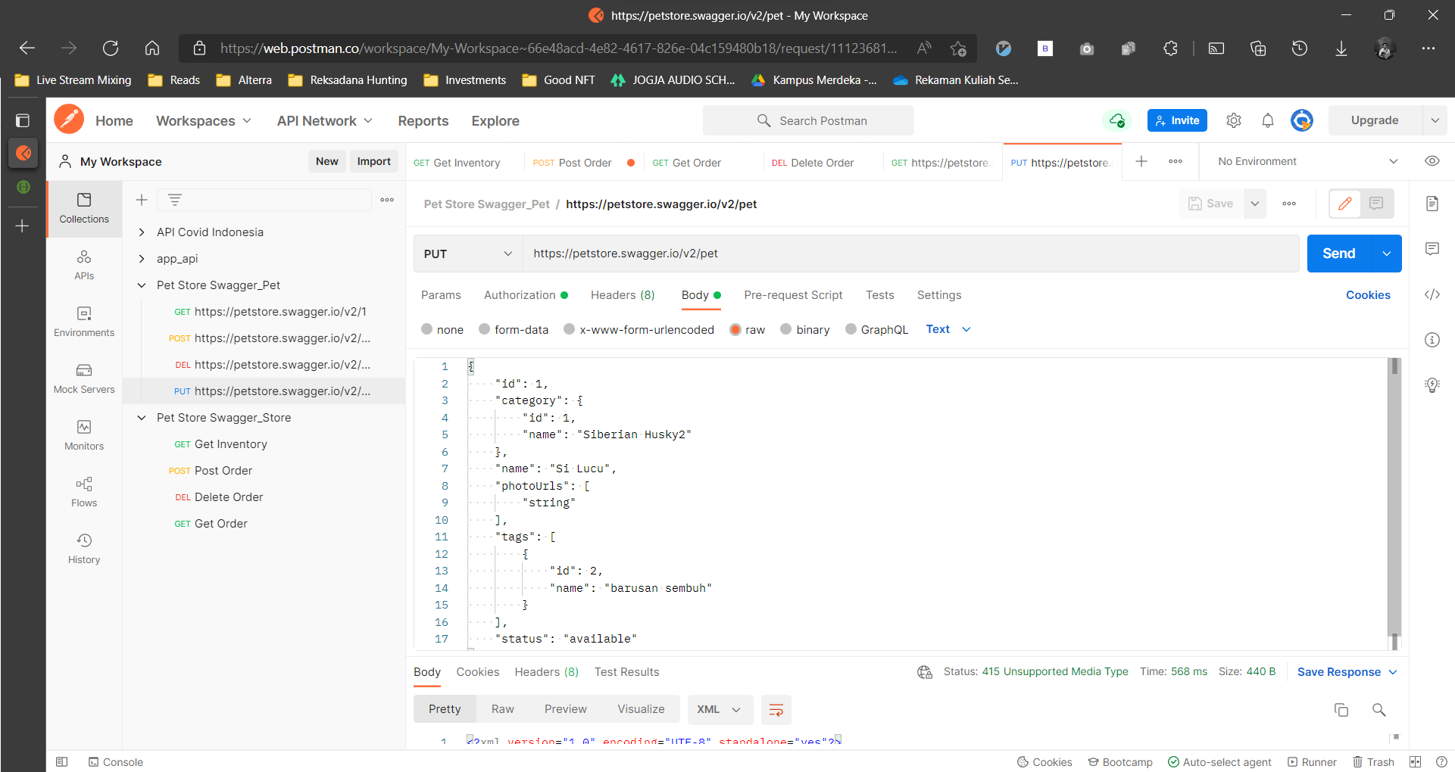
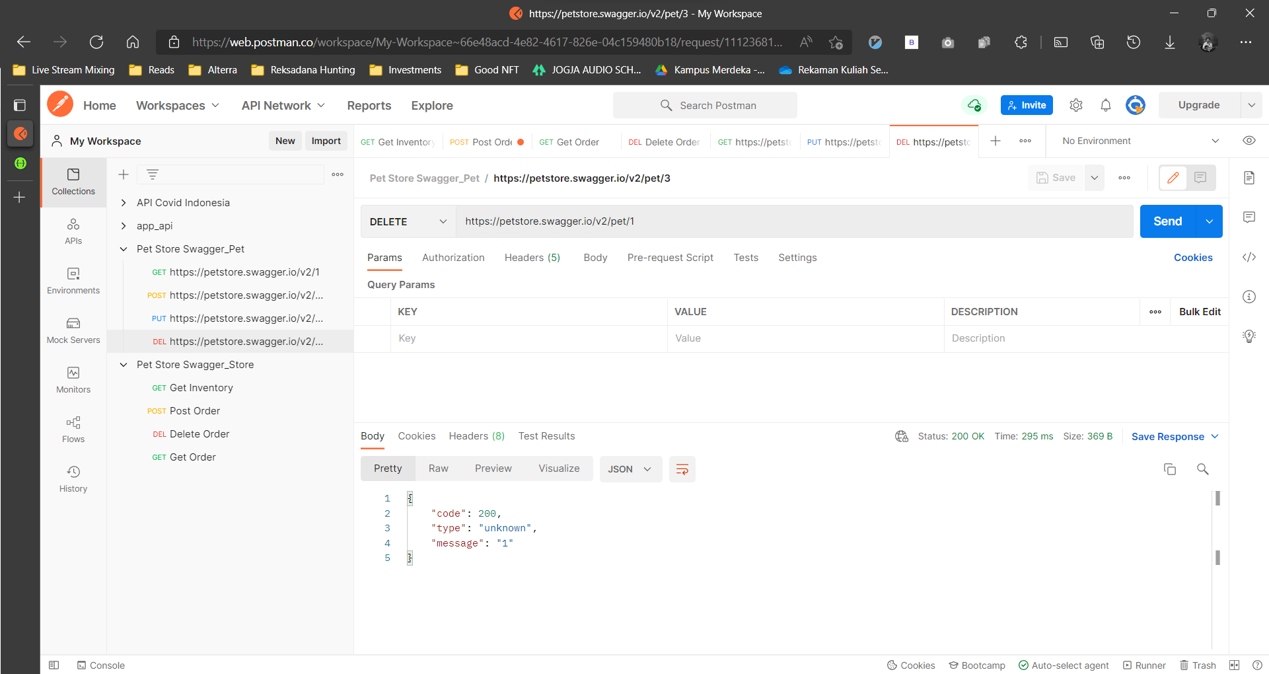
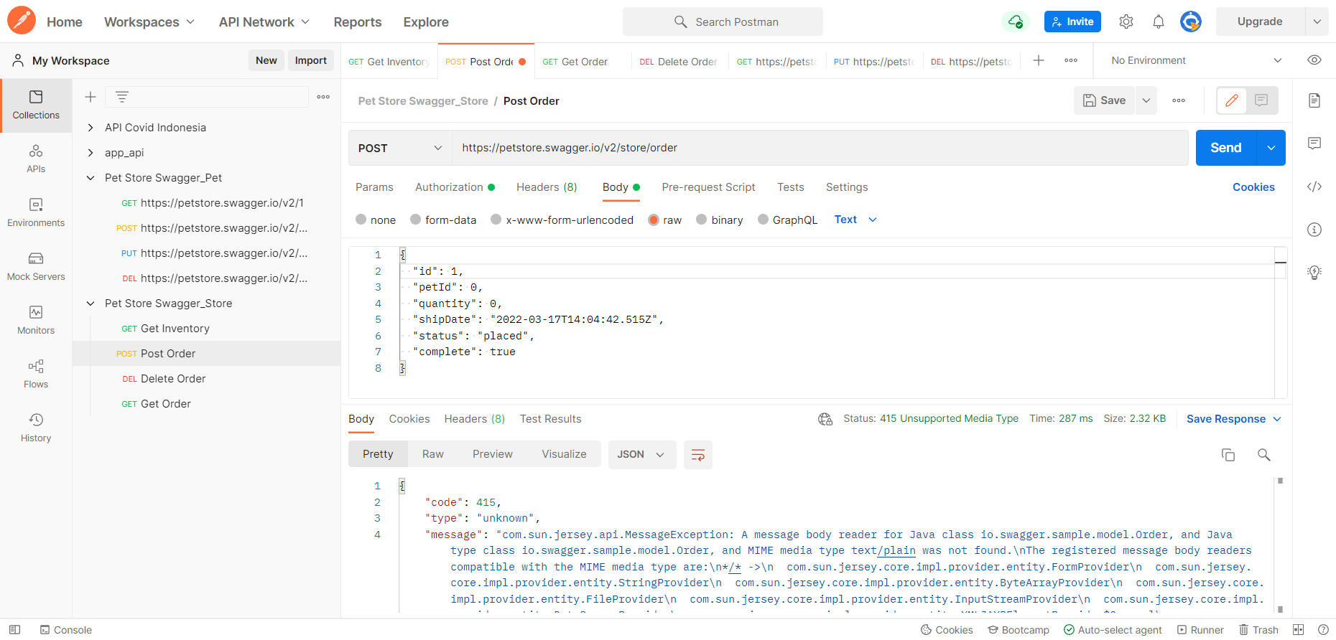
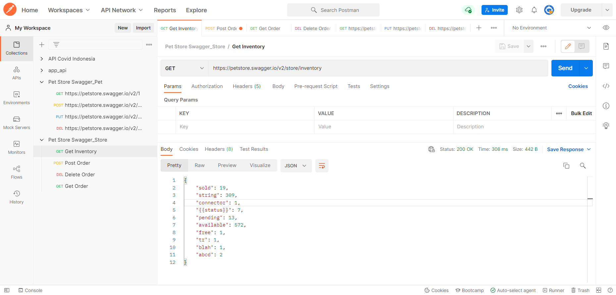
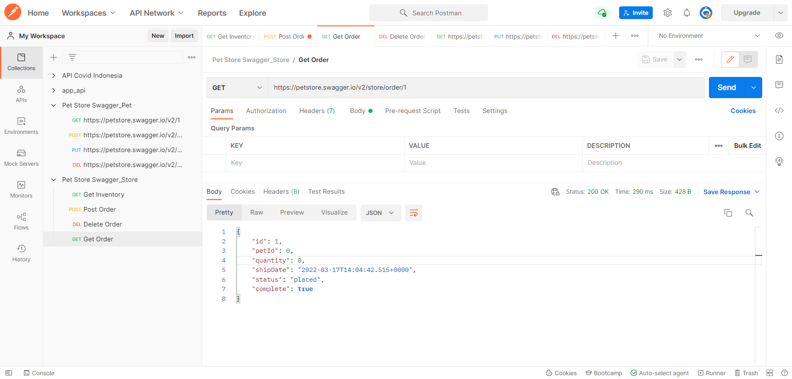
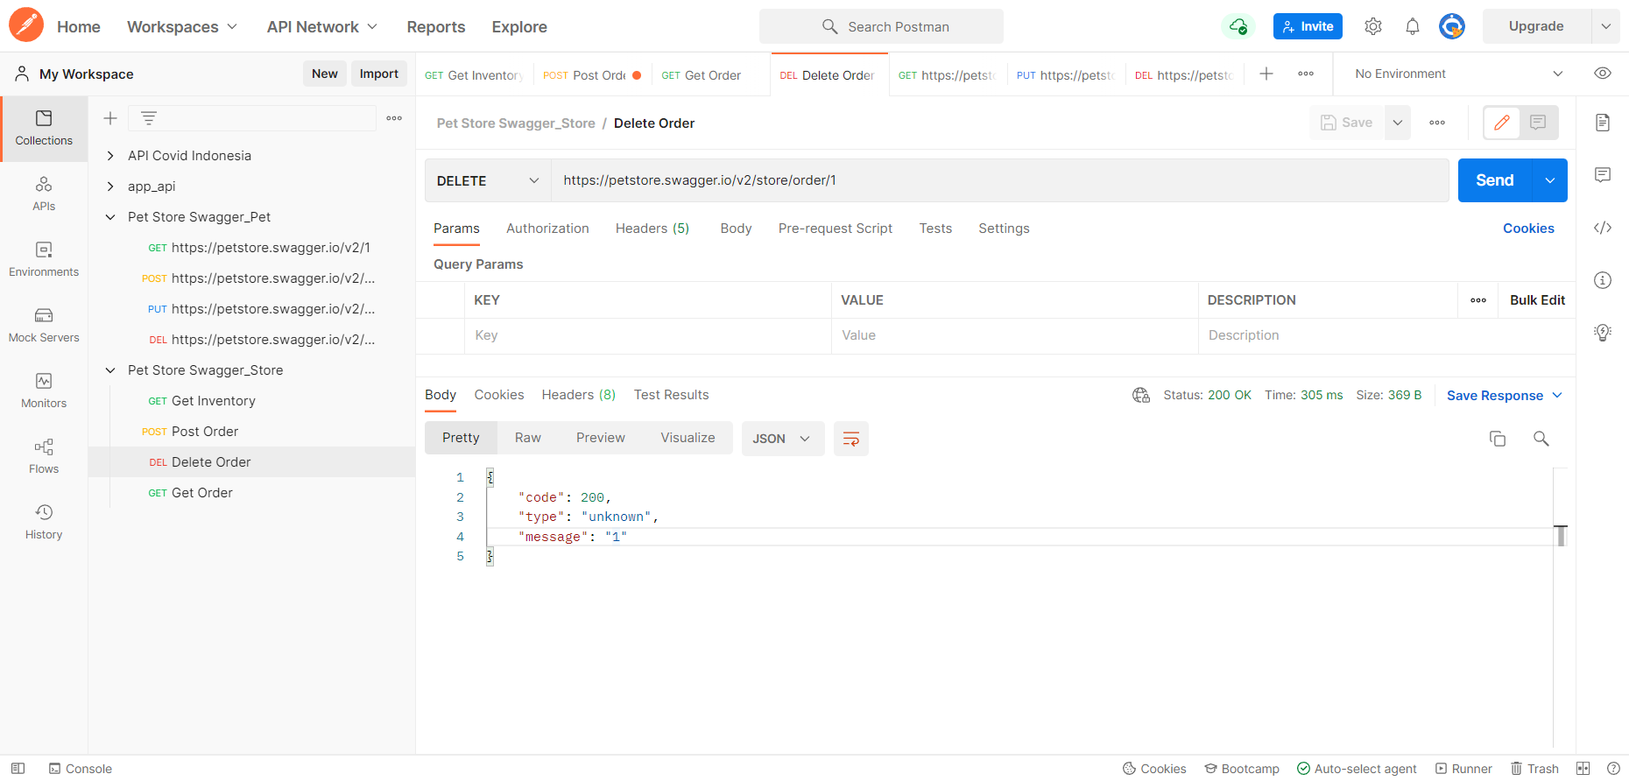
TestID | Scenario | Test Title | Pre Condition | Test Type | Test Data (body) | Method | URL | Test Step | Expected Result | Planned Date | Actual Result | Execution Date | Status
PET_1 | NO PET EXIST | get non exist pet | Prepare Postman | NEGATIVE | - | GET | https://petstore.swagger.io/v2/pet/3 | Send Request with GET method and url | { "code": 1, "type": "error", "message": "Pet not found" } Response Code : 404
PET_2 | NO PET EXIST | update non exist pet | Prepare Postman | NEGATIVE | { "id": 1, "category": { "id": 0, "name": "string" }, "name": "doggie", "photoUrls": [ "string" ], "tags": [ { "id": 0, "name": "string" } ], "status": "available" } | PUT | https://petstore.swagger.io/v2/pet | Send Request with PUT method and url | <?xml version="1.0" encoding="UTF-8" standalone="yes"?><apiResponse><type>unknown</type></apiResponse> Response Code : 415
PET_3 | NO PET EXIST | delete non exist pet |  | NEGATIVE | - | DELETE | https://petstore.swagger.io/v2/pet/1 | Send Request with DELETE method and url | Response Code : 404
PET_4 | 1 PET EXISTING | add 1 pet |  | POSITIVE | { "id": 1, "category": { "id": 1, "name": "Siberian Husky" }, "name": "Si Lucu", "photoUrls": [ "string" ], "tags": [ { "id": 2, "name": "barusan sembuh" } ], "status": "available" } | POST | https://petstore.swagger.io/v2/pet | Send Request with POST method and url | { "id": 1, "category": { "id": 1, "name": "Siberian Husky" }, "name": "Si Lucu", "photoUrls": [ "string" ], "tags": [ { "id": 2, "name": "barusan sembuh" } ], "status": "available" } Response Code : 200
PET_5 | 1 PET EXISTING | get pet with id 1 |  | POSITIVE | - | GET | https://petstore.swagger.io/v2/pet/1 | Send Request with GET method and url | { "id": 1, "category": { "id": 1, "name": "Siberian Husky" }, "name": "Si Lucu", "photoUrls": [ "string" ], "tags": [ { "id": 2, "name": "barusan sembuh" } ], "status": "available" } Response Code : 200
PET_6 | 1 PET EXISTING | update pet with id 1 |  | POSITIVE | { "id": 1, "category": { "id": 1, "name": "Siberian Husky2" }, "name": "Si Lucu", "photoUrls": [ "string" ], "tags": [ { "id": 2, "name": "barusan sembuh" } ], "status": "available" } | PUT | https://petstore.swagger.io/v2/pet | Send Request with PUT method and url | { "id": 1, "category": { "id": 1, "name": "Siberian Husky2" }, "name": "Si Lucu", "photoUrls": [ "string" ], "tags": [ { "id": 2, "name": "barusan sembuh" } ], "status": "available" } Response Code : 200
PET_7 | 1 PET EXISTING | delete pet with id 1 |  | POSITIVE |  | DELETE | https://petstore.swagger.io/v2/pet/1 | Send Request with DELETE method and url | { "code": 200, "type": "unknown", "message": "1" } Response Code : 200
STORE_1 | ORDER FUNCTIONALITY | get non existing order |  | NEGATIVE |  | GET | https://petstore.swagger.io/v2/store/order/1 | Send Request with GET method and url | { "code": 1, "type": "error", "message": "Order not found" } Response Code : 404
STORE_2 | ORDER FUNCTIONALITY | add order with id 1 |  | POSITIVE | { "id": 1, "petId": 0, "quantity": 0, "shipDate": "2022-03-17T14:04:42.515Z", "status": "placed", "complete": true } | POST | https://petstore.swagger.io/v2/store/order | Send Request with POST method and url | { "id": 1, "petId": 0, "quantity": 0, "shipDate": "2022-03-17T14:04:42.515+0000", "status": "placed", "complete": true } Response Code : 200
STORE_3 | ORDER FUNCTIONALITY | add order with id 1 (create new order with same id) |  | NEGATIVE | { "id": 1, "petId": 0, "quantity": 0, "shipDate": "2022-03-17T14:04:42.515Z", "status": "placed", "complete": true } | POST | https://petstore.swagger.io/v2/store/order | Send Request with POST method and url | Response Code : 400
STORE_4 | ORDER FUNCTIONALITY | get order with id 1 |  | POSITIVE |  | GET | https://petstore.swagger.io/v2/store/order/1 | Send Request with GET method and url | { "id": 1, "petId": 0, "quantity": 0, "shipDate": "2022-03-17T14:04:42.515+0000", "status": "placed", "complete": true } Response Code : 200
STORE_5 | ORDER FUNCTIONALITY | delete order with id 1 |  | POSITIVE |  | DELETE | https://petstore.swagger.io/v2/store/order/1 | Send Request with DELETE method and url | { "code": 200, "type": "unknown", "message": "1" } Response Code : 200
STORE_6 | INVENTORY FUNCTIONALITY | get inventory information |  | POSITIVE |  | GET | https://petstore.swagger.io/v2/store/inventory | Send Request with GET method and url | { "sold": 19, "string": 309, "connector": 1, "{{status}}": 7, "pending": 13, "available": 572, "free": 1, "tr": 1, "blah": 1, "abcd": 2 }

